TC2_CheckoutInitialDisplay
Checkout UI & Data Verification - for initial display of page - New Order and Edit Order

Test Case # | 2.00 | Test Case Name: | Checkout Screen UI Verification - New Order - User Profile Admin, Buyer, or Approver - Can View Prices
Use Case # |  | Preconditions: | 1. User Profile Admin, Buyer, or Approver - Can View Prices. 2. A Cart has been created with Stock and Mill items. 3. A System (Header) Promo is applied to the Stock item. 4.The Customer Line Acct # field, the Customer line fields (1, 2, & 3), and the Line Po # field must be flagged in Call Center. 5.The Mfg # should also be flagged for the account in Call Center. 6. A Maximum Order amount has been setup in Call Center. 7. A Minimum Order amount has been setup in Call Center. 8. A Minimum Order Fee has been setup in Call Center. 9.Before starting the test script - print the Cart detail page to use for verification of the data on the Checkout Page. 10. The Bill-To, Ship-To, Shipping options, and Email addresses displayed on the Checkout page can be validated in Call Center.

 |  | Notes: | Indicate the Brand and Browser used for each test / each storefront. Show the User/Password, Customer Acct, Ship-To, item #, quantity, and UOM - along with any other pertinent information needed for replication of issues. See Examples before filling in the columns with your results. Record results for other storefronts to the right under the headings.
 |  |  |  | xpedx.com |  |  |  | Saalfeld |  |  |  | Bulkley Dunton |  |  |  | xpedx.ca
Step # | User Input |  | Expected Results | Actual Results / Comments | Pass/Fail | Date Executed | JIRA # | Actual Results / Comments | Pass/Fail | Date Executed | JIRA # | Actual Results / Comments | Pass/Fail | Date Executed | JIRA # | Actual Results / Comments | Pass/Fail | Date Executed | JIRA #
1 | Verify page label at the top left corner is in bold type and says 'Checkout'. |  | Results as expected. | user id = dhooks@linemark.com (Admin) | Pass |  |  |  | Not Started |  |  |  | Not Started |  |  |  | Not Started
2 | Verify the 'Print Page' link is dispalyed in the top right corner of the page. |  | Results as expected. |  | Pass |  |  |  | Not Started |  |  |  | Not Started |  |  |  | Not Started
3 | Verify there are 5 sections on the Checkout page with a rounded corner border on each section. |  | Sections are stacked top to bottom, left to right: 1. Order Header section 2. Communication section 3. Item Detail section 4. Coupon Code section 5. Order Total section | ui issue - borders not rounded | Pass |  |  |  | Not Started |  |  |  | Not Started |  |  |  | Not Started
4 | Verify the UI elements in the Order Header section. |  | Data elements are stacked left to right, top to bottom: 1. Section label - My Cart: xxxxxx - top left corner (should not be in bold print) 2. Bill-To: - a bold type label 3. Ship-To: - a bold type label 4. Shipping Options - a bold type label 5. PO #: - label - left aligned below the Bill-To 6. PO # field with dropdown arrow that will accept 22 alpha numeric characters 7. Attention: label - right aligned with the Ship-To 8. Attenion field that will accept 30 alpha numeric characters 9. Checkbox followed by the words 'Add to my PO list' - left aligned with the PO #: label |  | Pass |  |  |  | Not Started |  |  |  | Not Started |  |  |  | Not Started
5 | Verify the UI elements in the Communication section. |  | Data elements are stacked left to right, top to bottom: 1. Comments - a bold type label 2 .Email Confirmation - a bold type label 3. Additional Email Addresses - a bold type label 4. (Comma Separated Values) - note following Additional Email Addresses 5. Comments field that will accept 250 alpha numberic characters 6. Checkbox followed by the User's email address - left aligned with the Email Confirmation label 7. Additional Email Addresses field - the field will accept 10 additional addresses 8. Checkbox followed by the words 'Add to my email address list' - left aligned with the Additional Email Addresses label | Currently it accepts more than 10 additional email addresses. Both commas,semi-colon is accepted | Fail |  |  |  | Not Started |  |  |  | Not Started |  |  |  | Not Started
6 | Verify the Item Detail section has a dark blue bar across the top of the table with column headings embedded on the right for columns 3 & 4. |  | Results as expected - columns 3 & 4 headings: a. My Price (USD) b. Extended Price (USD) Note: (USD) or (CAD) - customer account setup determines currency.) | USD Currency is not displaying | Fail |  |  |  | Not Started |  |  |  | Not Started |  |  |  | Not Started
7 | Verify the data elements (labels and fields) for each line item in the Item Detail section are stacked top to bottom in 4 columns from left to right. |  | Results as expected. |  | Pass |  |  |  | Not Started |  |  |  | Not Started |  |  |  | Not Started
8 | Verify the data elements in Column 1 of the Item Detail section. |  | Column 1 - left aligned with the My Cart name at the top of the page: a. Short Description of the item (is a Link) b. Long description - 5 bullets only (is a Link) c. xpedx item #: xxxxxxx d. Environmental Leaf (if applicable) follows the xpedx item # e. Mfg. Item #: xx (Customer Item #: xx - if the field is flagged in Call Center instead of Mfg. Item #) f. Special Instructions: xxxxx - max. 250 characters | Only up to 62 characters are allowed in the special instruction on the cart detail page | Fail |  |  |  | Not Started |  |  |  | Not Started |  |  |  | Not Started
9 | Verify the data elements in Column 2 of the Item Detail section. IMPORTANT Note: All fields should be flagged in CC for this test to validate all display correctly in WC. However, at the time the fields are flagged for actual Customer use - only Cust Line Acct # or Line PO # should be flagged for any Customer. Both WC fields are mapped to 1 MAX field. Submitting an order with data in both fields will cause the line to fail in MAX and possibly the whole order. CR 2811 has been created to change these fields to radio buttons - allowing only one to be selected. |  | Column 2 (a., b., & c. are left to right) a. Qty: label b. Qty (no decimals displayed - per UI review) c. UOM (spelled out - no abbreviations) d. Message (if applicable) - "Mill / Mfg. Item - Additional charges may apply" - in red bold type e. Message (if applicable) - "A Discount of ($x.xx) has been applied to this line." - typed as displayed here f. Cust Line Acct #: xxxxx - max. 25 characters g. Cust Line Field 1: xxxxx - max. 25 characters h. Cust Line Field 2: xxxxx -max. 25 characters i. Cust Line Field 3: xxxxx - max. 25 characters j. Line PO #: xxxx- max. 22 characters VERY IMPORTANT - Before submitting an order for any test script in this spreadsheet - please Edit Cart and remove data from either the Cust Line Acct # or the Line PO # field, so there are no issues with order placement in legacy. | Decimal is displaying; however it is captured in another JIRA. Discount message is not working per Donnette and captured in JIRA Line PO is 25, spoke with Donnetter also on this in Cart detail page; it's an open item need to validate again. However, all fields accept upto 25 in cart detail and display up to 25. | Fail |  |  |  | Not Started |  |  |  | Not Started |  |  |  | Not Started
10 | Verify the data elements in Column 3 of the Item Detail section. |  | Column 3 - has a column heading: 1. The currency code is displayed 2. Pricing is displayed with the price above the UOM 3. If an item has multiple UOMs there is one space between each set of price & UOM 4. Pricing is preceeded by a $ sign and displayed with 5 decimals 5. The ' / ' was replaced by the word "per" during the UI review 6. For paper items the price & UOM will always be listed top to bottom - Cwt, Thousand, Sheet 7. Prcing and UOM will be right aligned with the Heading of the column Example My Price (USD) $280.83333 per Cwt $33.70000 per Thousand $0.03370 per Sheet | currency code is missing in the header, captured above | Pass |  |  |  | Not Started |  |  |  | Not Started |  |  |  | Not Started
11 | Verify the data elements in Column 4 of the Item Detail section. |  | Column 4 - has a column heading: 1. The currency code is displayed 2. The Extended Price is displayed a. Preceeded by a $ sign b. Only 2 decimals c. Comma (if applicable) |  | Pass |  |  |  | Not Started |  |  |  | Not Started |  |  |  | Not Started
12 | Verify the data elements in the Coupon Code section. |  | Section has: a. Title label b. A blank field below the title c. An 'Appy' button to the right of the field |  | Pass |  |  |  | Not Started |  |  |  | Not Started |  |  |  | Not Started
13 | Verify the data elements in the Order Total section. Note: The Order Total Adjustments amount is a Link. |  | Section displays with light gray background, text is left justified, and values are right justified in the section: Example Subtotal: $44.95 Order Total Adjustments: $0.00 Adjusted Subtotal $44.95 Tax: Calculated after Checkout Shipping & Handling: Calculated after Checkout Order Total (USD): $44.95 Note: Hovering over the Order Total Adjustments value prompts the underline indicating it is a link. The entire last line is (Order Total (USD) and value) are blocked in med. gray to emphasis it. USD will be replaced with CAD when applicable. |  | Fail |  |  |  | Not Started |  |  |  | Not Started |  |  |  | Not Started
14 | Verify the 'Edit Cart' button is left justied with the section borders in the lower left corner of the page. |  | Results as expected. |  | Pass |  |  |  | Not Started |  |  |  | Not Started |  |  |  | Not Started
15 | Verify the 'Submit Order' button is right justied with the section borders in the lower right corner of the page. |  | Results as expected. |  | Pass |  |  |  | Not Started |  |  |  | Not Started |  |  |  | Not Started
16 | Verify the 'Last modified by xxx on xxx' statement is centered at the bottom of the page - just above the Site Navigation links. |  | Results as expected. |  | Fail |  |  |  | Not Started |  |  |  | Not Started |  |  |  | Not Started
17 | Verify the Site Navigation links are centered 2 spaces below the 'Last modified' statement. |  | Links - left to right - are Home, About Us, Contact Us, MSDS, Terms of Access, & Privacy Policy (the links are blue type) |  | Pass |  |  |  | Not Started |  |  |  | Not Started |  |  |  | Not Started
18 | Verify the IP copyright statement (light gray type) is centered at the bottom of the page. |  | Statement - © International Paper Company. All rights reserved. |  | Pass |  |  |  | Not Started |  |  |  | Not Started |  |  |  | Not Started
19 | Verify the Social links are in the bottom right corner of the page. |  | Links - left to right - are Facebook, Twitter, and You Tube. |  | Pass |  |  |  | Not Started |  |  |  | Not Started |  |  |  | Not Started

Test Case # | 2.10 | Test Case Name: | Checkout Screen UI Verification - New Order - User Profile Admin or Buyer Cannot View Prices
Use Case # |  | Preconditions: | 1. User Profile Admin, Buyer, or Approver - Cannot View Prices. 2. A Cart has been created with Stock and Mill items. 3. A System (Header) Promo is applied to the Stock item. 4.The Customer Line Acct # field, the Customer line fields (1, 2, & 3), and the Line Po # field must be flagged in Call Center. 5.The Mfg # should also be flagged for the account in Call Center. 6. A Maximum Order amount has been setup in Call Center. 7. A Minimum Order amount has been setup in Call Center. 8. A Minimum Order Fee has been setup in Call Center. 9.Before starting the test script - print the Cart detail page to use for verification of the data on the Checkout Page. 10. The Bill-To, Ship-To, Shipping options, and Email addresses displayed on the Checkout page can be validated in Call Center.

 |  | Notes: | Indicate the Brand and Browser used for each test / each storefront. Show the User/Password, Customer Acct, Ship-To, item #, quantity, and UOM - along with any other pertinent information needed for replication of issues. See Examples before filling in the columns with your results. Record results for other storefronts to the right under the headings.
 |  |  |  | xpedx.com |  |  |  | Saalfeld |  |  |  | Bulkley Dunton |  |  |  | xpedx.ca
Step # | User Input |  | Expected Results | Actual Results / Comments | Pass/Fail | Date Executed | JIRA # | Actual Results / Comments | Pass/Fail | Date Executed | JIRA # | Actual Results / Comments | Pass/Fail | Date Executed | JIRA # | Actual Results / Comments | Pass/Fail | Date Executed | JIRA #
1 | Verify page label at the top left corner is in bold type and says 'Checkout'. |  | Results as expected. |  | Pass |  |  |  | Not Started |  |  |  | Not Started |  |  |  | Not Started
2 | Verify the 'Print Page' link is dispalyed in the top right corner of the page. |  | Results as expected. |  | Pass |  |  |  | Not Started |  |  |  | Not Started |  |  |  | Not Started
3 | Verify there are 4 sections on the Checkout page with a rounded corner border on each section. |  | Sections are stacked top to bottom, left to right: 1. Order Header section 2. Communication section 3. Item Detail section 4. Coupon Code section |  | Pass |  |  |  | Not Started |  |  |  | Not Started |  |  |  | Not Started
4 | Verify the UI elements in the Order Header section. |  | Data elements are stacked left to right, top to bottom: 1. Section label - My Cart: xxxxxx - top left corner (should not be in bold print) 2. Bill-To: - a bold type label 3. Ship-To: - a bold type label 4. Shipping Options - a bold type label 5. PO #: - label - left aligned below the Bill-To 6. PO # field with dropdown arrow that will accept 22 alpha numeric characters 7. Attention: label - right aligned with the Ship-To 8. Attenion field that will accept 30 alpha numeric characters 9. Checkbox followed by the words 'Add to my PO list' - left aligned with the PO #: label | (same as noted above) | Pass |  |  |  | Not Started |  |  |  | Not Started |  |  |  | Not Started
5 | Verify the UI elements in the Communication section. |  | Data elements are stacked left to right, top to bottom: 1. Comments - a bold type label 2 .Email Confirmation - a bold type label 3. Additional Email Addresses - a bold type label 4. (Comma Separated Values) - note following Additional Email Addresses 5. Comments field that will accept 250 alpha numberic characters 6. Checkbox followed by the User's email address - left aligned with the Email Confirmation label 7. Additional Email Addresses field - the field will accept 10 additional addresses 8. Checkbox followed by the words 'Add to my email address list' - left aligned with the Additional Email Addresses label | Currently it accepts more than 10 additional email addresses. Both commas,semi-colon is accepted | Fail |  |  |  | Not Started |  |  |  | Not Started |  |  |  | Not Started
6 | Verify the Item Detail section has a dark blue bar across the top of the table with column headings embedded on the right for columns 3 & 4. |  | Results as expected - columns 3 & 4 headings: a. My Price (USD) b. Extended Price (USD) Note: (USD) or (CAD) - customer account setup determines currency.) | USD Currency is not displaying | Fail |  |  |  | Not Started |  |  |  | Not Started |  |  |  | Not Started
7 | Verify the data elements (labels and fields) for each line item in the Item Detail section are stacked top to bottom in 4 columns from left to right. |  | Results as expected. |  | Pass |  |  |  | Not Started |  |  |  | Not Started |  |  |  | Not Started
8 | Verify the data elements in Column 1 of the Item Detail section. |  | Column 1 - left aligned with the My Cart name at the top of the page: a. Short Description of the item (is a Link) b. Long description - 5 bullets only (is a Link) c. xpedx item #: xxxxxxx d. Environmental Leaf (if applicable) follows the xpedx item # e. Mfg. Item #: xx (Customer Item #: xx - if the field is flagged in Call Center instead of Mfg. Item #) f. Special Instructions: xxxxx - max. 250 characters |  | Fail |  |  |  | Not Started |  |  |  | Not Started |  |  |  | Not Started
9 | Verify the data elements in Column 2 of the Item Detail section. IMPORTANT Note: All fields should be flagged in CC for this test to validate all display correctly in WC. However, at the time the fields are flagged for actual Customer use - only Cust Line Acct # or Line PO # should be flagged for any Customer. Both WC fields are mapped to 1 MAX field. Submitting an order with data in both fields will cause the line to fail in MAX and possibly the whole order. CR 2811 has been created to change these fields to radio buttons - allowing only one to be selected. |  | Column 2 (a., b., & c. are left to right) a. Qty: label b. Qty (no decimals displayed - per UI review) c. UOM (spelled out - no abbreviations) d. Message (if applicable) - "Mill / Mfg. Item - Additional charges may apply" - in red bold type e. Message (if applicable) - "A Discount of ($x.xx) has been applied to this line." - typed as displayed here f. Cust Line Acct #: xxxxx - max. 25 characters g. Cust Line Field 1: xxxxx - max. 25 characters h. Cust Line Field 2: xxxxx -max. 25 characters i. Cust Line Field 3: xxxxx - max. 25 characters j. Line PO #: xxxx- max. 22 characters VERY IMPORTANT - Before submitting an order for any test script in this spreadsheet - please Edit Cart and remove data from either the Cust Line Acct # or the Line PO # field, so there are no issues with order placement in legacy. | Decimal is displaying; however it is captured in another JIRA. Discount message is not working per Donnette and captured in JIRA Line PO is 25, spoke with Donnetter also on this in Cart detail page; it's an open item need to validate again. However, all fields accept upto 25 in cart detail and display up to 25. | Fail |  |  |  | Not Started |  |  |  | Not Started |  |  |  | Not Started
10 | Verify the data elements in Column 3 of the Item Detail section. |  | Column 3 - is blank, no pricing or UOMs are displayed. |  | Pass |  |  |  | Not Started |  |  |  | Not Started |  |  |  | Not Started
11 | Verify the data elements in Column 4 of the Item Detail section. |  | Column 4 - the Extended Price does not display. |  | Pass |  |  |  | Not Started |  |  |  | Not Started |  |  |  | Not Started
12 | Verify the data elements in the Coupon Code section. |  | Section has: a. Title label b. A blank field below the title c. An 'Appy' button to the right of the field |  | Pass |  |  |  | Not Started |  |  |  | Not Started |  |  |  | Not Started
13 | Verify the 'Edit Cart' button is left justied with the section borders in the lower left corner of the page. |  | Results as expected. |  | Pass |  |  |  | Not Started |  |  |  | Not Started |  |  |  | Not Started
14 | Verify the 'Submit Order' button is right justied with the section borders in the lower right corner of the page. |  | Results as expected. |  | Pass |  |  |  | Not Started |  |  |  | Not Started |  |  |  | Not Started
15 | Verify the 'Last modified by xxx on xxx' statement is centered at the bottom of the page - just above the Site Navigation links. |  | Results as expected. |  | Pass |  |  |  | Not Started |  |  |  | Not Started |  |  |  | Not Started
16 | Verify the Site Navigation links are centered 2 spaces below the 'Last modified' statement. |  | Links - left to right - are Home, About Us, Contact Us, MSDS, Terms of Access, & Privacy Policy (the links are blue type) |  | Pass |  |  |  | Not Started |  |  |  | Not Started |  |  |  | Not Started
17 | Verify the IP copyright statement (light gray type) is centered at the bottom of the page. |  | Statement - © International Paper Company. All rights reserved. |  | Pass |  |  |  | Not Started |  |  |  | Not Started |  |  |  | Not Started
18 | Verify the Social links are in the bottom right corner of the page. |  | Links - left to right - are Facebook, Twitter, and You Tube. |  | Pass |  |  |  | Not Started |  |  |  | Not Started |  |  |  | Not Started

Test Case # | 2.20 | Test Case Name: | Checkout Screen Data Verification - New Order - User Profile Admin, Buyer, or Approver - Can View Prices
Use Case # |  | Preconditions: | 1. User Profile Admin or Buyer Can View Prices. 2. A Cart has been created with Stock and Mill items. 3. A System (Header) Promo is applied to the Stock item. 4.The Customer Line Acct # field, the Customer line fields (1, 2, & 3), and the Line Po # field must be flagged in Call Center. 5.The Mfg # should also be flagged for the account in Call Center. 6. A Maximum Order amount has been setup in Call Center. 7. A Minimum Order amount has been setup in Call Center. 8. A Minimum Order Fee has been setup in Call Center. 9.Before starting the test script - print the Cart detail page to use for verification of the data on the Checkout Page. 10. The Bill-To, Ship-To, Shipping options, and Email addresses displayed on the Checkout page can be validated in Call Center.

 |  | Notes: | VERY IMPORTANT - Before submitting an order for any test script in this spreadsheet - please Edit Cart and remove data from either the Cust Line Acct # or the Line PO # field, so there are no issues with order placement in legacy.
 |  |  |  | xpedx.com |  |  |  | Saalfeld |  |  |  | Bulkley Dunton |  |  |  | xpedx.ca
Step # | User Input |  | Expected Results | Actual Results / Comments | Pass/Fail | Date Executed | JIRA # | Actual Results / Comments | Pass/Fail | Date Executed | JIRA # | Actual Results / Comments | Pass/Fail | Date Executed | JIRA # | Actual Results / Comments | Pass/Fail | Date Executed | JIRA #
1 | Verify the Bill-To against customer setup in Call Center. |  | The data displays as follows: Line 1 - MAX Co #-Acct No.-Bill-To suffix (example: 90-0001018921-000, 000 is always the suffix for the Bill-To) Line 2 - Local ID: xxxxx (see note below) Line 3 - Address1 Line 4 - Address2 (suppressed if not populated in MAX or Call Center Line 5 - City, St. Zip, Country Example 90-0001018921-000 LINEMARK PRINTING INC Local ID: 501 PRINCE GEORGE BLVD UPPER MARLBORO, MD 20774 US Note: Line 2 will be suppressed (if not populated in the customer record) to match the site standard of suppressing labels for fields that are not populated. However, the JIRA for this issue is a low priority for Sterling and if it is too intensive to change, there will not be a fix in BR1. | Where is the 'Local ID' setup in CC or where is the Bill-To displayed; it is not showing on the Master customer page? The 'Local ID' label is not displaying. | Fail |  |  |  | Not Started |  |  |  | Not Started |  |  |  | Not Started
2 | Verify the Ship-To against customer setup in Call Center. |  | The data displays as follows: Line 1 - MAX Co #-Acct No.-Ship-To suffix [Change] (example: 90-0001018921-000001 [Change]) Line 2 - Local ID: xxxxx (see note below) Line 3 - Address1 Line 4 - Address2 (suppressed if not populated in MAX or Call Center Line 5 - City, St. Zip, Country Example 90-0001018921-000001 [Change] LINEMARK PRINTING INC Local ID: 501 PRINCE GEORGE BLVD UPPER MARLBORO, MD 20774 US Note: Line 2 will be suppressed (if not populated in the customer record) to match the site standard of suppressing labels for fields that are not populated. However, the JIRA for this issue is a low priority for Sterling and if it is too intensive to change, there will not be a fix in BR1. | The Bill-To address is not displaying in CC. It seems to be the same as Bill-To The 'Local ID' label is not displaying. | Fail |  |  |  | Not Started |  |  |  | Not Started |  |  |  | Not Started
3 | Verify the Bill-To does not have an 'Attention' field displayed. |  | Results as expected. |  | Pass |  |  |  | Not Started |  |  |  | Not Started |  |  |  | Not Started
4 | Verify none of the Shipping Options have check marks. |  | The Shipping Options each have a checkbox left aligned with the Shipping Options label and are listed top to bottom as follows: 1. Place Order on Hold, CSR will release at x:xx PM (Note: x:xx = Division cut off time) 2. Ship Order Complete (will not ship until all items are available) 3. Rush Order: Charges may apply. MUST add delivery info in Comments. (Note: JIRA 2762 was included in the UI review to make the Comments box a required field when checking this option.) 4. Will Call - Pick up at: <Division St Address> <City>, <ST> <Zip> <CNTRY> <Division Phone No.> (Note: Format for the phone # is 999-999-9999) | The 2nd option is missing. slash is missing in the phone # after the area code | Fail |  |  |  | Not Started |  |  |  | Not Started |  |  |  | Not Started
5 | Verify the PO # field is blank when the Checkout page first opens. |  | Results as expected. |  | Pass |  |  |  | Not Started |  |  |  | Not Started |  |  |  | Not Started
6 | Verify the Ship-To 'Attention' field is blank when the Checkout page first opens. |  | Results as expected. |  | Pass |  |  |  | Not Started |  |  |  | Not Started |  |  |  | Not Started
7 | Verify the Comments field is blank when the Checkout page first opens. |  | Results as expected. |  | Pass |  |  |  | Not Started |  |  |  | Not Started |  |  |  | Not Started
8 | Verify below the label 'Email Confirmation' there is a checkbox and email address(s). The email address(s) for confirming emails should be the same as Call Center and My Profile in WC. |  | Results as expected. Note: If multiple email addresses are listed, the User must check all who should receive the sumit confirmation email. | Note: To test multiple email addresses..tested in CC in user profile page, could not add more than one email address. | Pass |  |  |  | Not Started |  |  |  | Not Started |  |  |  | Not Started
9 | Verify the # of product lines displayed on the Checkout page matches the # of lines on the Cart page print out. |  | Results as expected. |  | Pass |  |  |  | Not Started |  |  |  | Not Started |  |  |  | Not Started
10 | Verify all attributes of each product line in Cart matches what is displayed in Checkout. |  | All product lines, all attributes match Cart: 1. Short Description 2. Long Description 3. xpedx Item # 4. Mfg. Item # (or Customer Item # if flagged) 5. Special Instructions 6. Order Qty (no decimals displayed) 7. Order Qty UOM 8. Message (if applicable) - "Mill / Mfg. Item - Additional charges may apply" - in red bold type 9. Message (if applicable) - "A Discount of ($x.xx) has been applied to this line." - typed as displayed here 10. Cust Line Acct # 11. Cust Line Field 1 12. Cust Line Field 2 13. Cust Line Field 3 14. Line PO # 15. My Price a. $ b. comma (if applicable) c. pricing w/ 5 decimals d. per UOM 16. Extended Price a. $ b. comma (if applicable) c. only 2 decimals | Customer/My Item # does not display in cart, there is a open JIRA in relate to this issue. Checkout will need to be tested once this issue is resolved. Discount message - Needs to be tested due to an open issue. Special Instruction cuts-off. | Fail |  |  |  | Not Started |  |  |  | Not Started |  |  |  | Not Started
11 | Verify a Minimum Order Charge line does not appear on the Checkout page. Note: This line was not displayed in Cart - it is applied to the order after the ''Submit' button is clicked. The Cart should have generated adid not generate a Minimum Order Charge when the 'Checkout' button please do the following: 1. Click the 'Edit Cart' button to leave the Checkout screen. 2. Edit the account setup in Call Center as indicated in the Pre-Conditions (above). |  | Results as expected. | I updated the minimum order and maximum order in cc, but the message still did not appear. We will need to revisit this. | Not Started |  |  |  | Not Started |  |  |  | Not Started |  |  |  | Not Started
12 | Verify the dollar values in the Order Total section of the Cart page do not differ from those on the Checkout page. |  | Side-by-side the Order Totals are the same: Example Subtotal: $54.95 Order Total Adjustments: $0.00 Adjusted Subtotal $54.95 Tax: Calculated after Checkout Shipping & Handling: Calculated after Checkout Order Total (USD): $54.95 Note: Hovering over the Order Total Adjustments value prompts the underline indicating it is a link. The entire last line is (Order Total (USD) and value) are blocked in med. gray to emphasis it. USD will be replaced with CAD when applicable. | To be determined is displaying for Order Total Adjustment, Tax, and S&H fields. | Fail |  |  |  | Not Started |  |  |  | Not Started |  |  |  | Not Started
13 | Verify the 'Last modified by xxx on xxx' statement is complete with User name and current date. |  | Results as expected. |  | Fail |  |  |  | Not Started |  |  |  | Not Started |  |  |  | Not Started
17 | Note: Submitting this order will help to complete TC9. Enter a PO # and a comment to force the order into a Web Hold in MAX, then click the 'Submit Order' button. |  | The order is processed and a Confirmation page is displayed. Note: Print the Confirmation page for future reference. |  | Not Started |  |  |  | Not Started |  |  |  | Not Started |  |  |  | Not Started
18 | Go to tab TC9 on PRJ_4201494_NG_OM1_Checkout&Conf_TC_v4.0 QA and complete the two button tests. |  | Results as expected. |  | Not Started |  |  |  | Not Started |  |  |  | Not Started |  |  |  | Not Started

Test Case # | 2.30 | Test Case Name: | Checkout Screen Data Verification - New Order - User Profile is Admin or Buyer Cannot View Prices
Use Case # |  | Preconditions: | 1. User Profile Admin or Buyer Cannot View Prices. 2. A Cart has been created with Stock and Mill items. 3. A System (Header) Promo is applied to the Stock item. 4.The Customer Line Acct # field, the Customer line fields (1, 2, & 3), and the Line Po # field must be flagged in Call Center. 5.The Mfg # should also be flagged for the account in Call Center. 6. A Maximum Order amount has been setup in Call Center. 7. A Minimum Order amount has been setup in Call Center. 8. A Minimum Order Fee has been setup in Call Center. 9.Before starting the test script - print the Cart detail page to use for verification of the data on the Checkout Page. 10. The Bill-To, Ship-To, Shipping options, and Email addresses displayed on the Checkout page can be validated in Call Center.

 |  | Notes: | VERY IMPORTANT - Before submitting an order for any test script in this spreadsheet - please Edit Cart and remove data from either the Cust Line Acct # or the Line PO # field, so there are no issues with order placement in legacy.
 |  |  |  | xpedx.com |  |  |  | Saalfeld |  |  |  | Bulkley Dunton |  |  |  | xpedx.ca
Step # | User Input |  | Expected Results | Actual Results / Comments | Pass/Fail | Date Executed | JIRA # | Actual Results / Comments | Pass/Fail | Date Executed | JIRA # | Actual Results / Comments | Pass/Fail | Date Executed | JIRA # | Actual Results / Comments | Pass/Fail | Date Executed | JIRA #
1 | Verify the Bill-To against customer setup in Call Center. |  | The data displays as follows: Line 1 - MAX Co #-Acct No.-Bill-To suffix (example: 90-0001018921-000, 000 is always the suffix for the Bill-To) Line 2 - Local ID: xxxxx (see note below) Line 3 - Address1 Line 4 - Address2 (suppressed if not populated in MAX or Call Center Line 5 - City, St. Zip, Country Example 90-0001018921-000 LINEMARK PRINTING INC Local ID: 501 PRINCE GEORGE BLVD UPPER MARLBORO, MD 20774 US Note: Line 2 will be suppressed (if not populated in the customer record) to match the site standard of suppressing labels for fields that are not populated. However, the JIRA for this issue is a low priority for Sterling and if it is too intensive to change, there will not be a fix in BR1. | Where is the 'Local ID' setup in CC or where is the Bill-To displayed; it is not showing on the Master customer page? The 'Local ID' label is not displaying. | Fail |  |  |  | Not Started |  |  |  | Not Started |  |  |  | Not Started
2 | Verify the Ship-To against customer setup in Call Center. |  | The data displays as follows: Line 1 - MAX Co #-Acct No.-Ship-To suffix [Change] (example: 90-0001018921-000001 [Change]) Line 2 - Local ID: xxxxx (see note below) Line 3 - Address1 Line 4 - Address2 (suppressed if not populated in MAX or Call Center Line 5 - City, St. Zip, Country Example 90-0001018921-000001 [Change] LINEMARK PRINTING INC Local ID: 501 PRINCE GEORGE BLVD UPPER MARLBORO, MD 20774 US Note: Line 2 will be suppressed (if not populated in the customer record) to match the site standard of suppressing labels for fields that are not populated. However, the JIRA for this issue is a low priority for Sterling and if it is too intensive to change, there will not be a fix in BR1. | The Bill-To address is not displaying in CC. It seems to be the same as Bill-To The 'Local ID' label is not displaying. | Fail |  |  |  | Not Started |  |  |  | Not Started |  |  |  | Not Started
3 | Verify the Bill-To does not have an 'Attention' field displayed. |  | Results as expected. |  | Pass |  |  |  | Not Started |  |  |  | Not Started |  |  |  | Not Started
4 | Verify none of the Shipping Options have check marks. |  | The Shipping Options each have a checkbox left aligned with the Shipping Options label and are listed top to bottom as follows: 1. Place Order on Hold, CSR will release at x:xx PM (Note: x:xx = Division cut off time) 2. Ship Order Complete (will not ship until all items are available) 3. Rush Order: Charges may apply. MUST add delivery info in Comments. (Note: JIRA 2762 was included in the UI review to make the Comments box a required field when checking this option.) 4. Will Call - Pick up at: <Division St Address> <City>, <ST> <Zip> <CNTRY> <Division Phone No.> (Note: Format for the phone # is 999-999-9999) | The 2nd option is missing. slash is missing in the phone # after the area code | Fail |  |  |  | Not Started |  |  |  | Not Started |  |  |  | Not Started
5 | Verify the PO # field is blank when the Checkout page first opens. |  | Results as expected. |  | Pass |  |  |  | Not Started |  |  |  | Not Started |  |  |  | Not Started
6 | Verify the Ship-To 'Attention' field is blank when the Checkout page first opens. |  | Results as expected. |  | Pass |  |  |  | Not Started |  |  |  | Not Started |  |  |  | Not Started
7 | Verify the Comments field is blank when the Checkout page first opens. |  | Results as expected. |  | Pass |  |  |  | Not Started |  |  |  | Not Started |  |  |  | Not Started
8 | Verify below the label 'Email Confirmation' there is a checkbox and email address(s). The email address(s) for confirming emails should be the same as Call Center and My Profile in WC. |  | Results as expected. Note: If multiple email addresses are listed, the User must check all who should receive the sumit confirmation email. | Note: To test multiple email addresses..tested in CC in user profile page, could not add more than one email address. | Pass |  |  |  | Not Started |  |  |  | Not Started |  |  |  | Not Started
9 | Verify the # of product lines displayed on the Checkout page matches the # of lines on the Cart page print out. |  | Results as expected. |  | Pass |  |  |  | Not Started |  |  |  | Not Started |  |  |  | Not Started
10 | Verify all attributes of each product line in Cart matches what is displayed in Checkout. |  | All product lines, all attributes match Cart: 1. Short Description 2. Long Description 3. xpedx Item # 4. Mfg. Item # (or Customer Item # if flagged) 5. Special Instructions 6. Order Qty (no decimals displayed) 7. Order Qty UOM 8. Message (if applicable) - "Mill / Mfg. Item - Additional charges may apply" - in red bold type 9. Message (if applicable) - "A Discount of ($x.xx) has been applied to this line." - typed as displayed here 10. Cust Line Acct # 11. Cust Line Field 1 12. Cust Line Field 2 13. Cust Line Field 3 14. Line PO # 15. My Price (not displayed) 16. Extended Price (not displayed) | Customer/My Item # does not display in cart, there is a open JIRA in relate to this issue. Checkout will need to be tested once this issue is resolved. Discount message - Needs to be tested due to an open issue. Special Instruction cuts-off. | Fail |  |  |  | Not Started |  |  |  | Not Started |  |  |  | Not Started
11 | Verify a Minimum Order Charge line does not appear on the Checkout page. Note: This line was not displayed in Cart - it is applied to the order after the ''Submit' button is clicked. The Cart should have generated adid not generate a Minimum Order Charge when the 'Checkout' button please do the following: 1. Click the 'Edit Cart' button to leave the Checkout screen. 2. Edit the account setup in Call Center as indicated in the Pre-Conditions (above). |  | Results as expected. | I updated the minimum order and maximum order in cc, but the message still did not appear. We will need to revisit this. | Not Started |  |  |  | Not Started |  |  |  | Not Started |  |  |  | Not Started
13 | Verify the 'Last modified by xxx on xxx' statement is complete with User name and current date. |  | Results as expected. |  | Fail |  |  |  | Not Started |  |  |  | Not Started |  |  |  | Not Started
17 | Note: Submitting this order will help to complete TC8. Enter a PO # and a comment to force the order into a Web Hold in MAX, then click the 'Submit Order' button. |  | The order is processed and a Confirmation page is displayed. Note: Print the Confirmation page for future reference. | Web Confirmation: 111018E3389319 | Pass |  |  |  | Not Started |  |  |  | Not Started |  |  |  | Not Started
18 | Go to tab TC8 on PRJ_4201494_NG_OM1_Checkout&Conf_TC_v4.0 QA and complete the links tests. |  | Results as expected. |  | Pass |  |  |  | Not Started |  |  |  | Not Started |  |  |  | Not Started

Test Case # | 2.40 | Test Case Name: | Checkout Screen UI Verification - Edit Order - User Profile Admin, Buyer, or Approver - Can View Prices
Use Case # |  | Preconditions: | 1. User Profile Admin or Buyer Can View Prices. 2. A Cart has been created with Stock and Mill items. 3. A System (Header) Promo is applied to the Stock item. 4.The Customer Line Acct # field, the Customer line fields (1, 2, & 3), and the Line Po # field must be flagged in Call Center. 5.The Mfg # should also be flagged for the account in Call Center. 6. In Checkout a PO # is added. 7. In Checkout enter a comment to put the order on Web Hold status after it is submitted. 8. Click the Order # link on the OM page. 9. Click the 'Edit Order' button and add an item to the order. 10.Before starting the test script - print the Cart detail page to use for verification of the data on the Checkout Page. 11. Click the 'Checkout' button. 12. The Bill-To, Ship-To, Shipping options, and Email addresses displayed on the Checkout page can be validated in Call Center.

 |  | Notes:
 |  |  |  | xpedx.com |  |  |  | Saalfeld |  |  |  | Bulkley Dunton |  |  |  | xpedx.ca
Step # | User Input |  | Expected Results | Actual Results / Comments | Pass/Fail | Date Executed | JIRA # | Actual Results / Comments | Pass/Fail | Date Executed | JIRA # | Actual Results / Comments | Pass/Fail | Date Executed | JIRA # | Actual Results / Comments | Pass/Fail | Date Executed | JIRA #
1 | Verify page label at the top left corner is in bold type and says 'Checkout'. |  | Results as expected. | user id = dhooks@linemark.com (Admin) Note, Placed another order which shows 'customer hold' status and shows amount on the confirmation page. | Pass |  |  |  | Not Started |  |  |  | Not Started |  |  |  | Not Started
2 | Verify the 'Print Page' link is dispalyed in the top right corner of the page. |  | Results as expected. |  | Pass |  |  |  | Not Started |  |  |  | Not Started |  |  |  | Not Started
3 | Verify there are 5 sections on the Checkout page with a rounded corner border on each section. |  | Sections are stacked top to bottom, left to right: 1. Order Header section 2. Communication section 3. Item Detail section 4. Coupon Code section 5. Order Total section | ui issue - borders not rounded | Pass |  |  |  | Not Started |  |  |  | Not Started |  |  |  | Not Started
4 | Verify the UI elements in the Order Header section. |  | Data elements are stacked left to right, top to bottom: 1. Section label - My Cart: xxxxxx - top left corner (should not be in bold print) 2. Bill-To: - a bold type label 3. Ship-To: - a bold type label 4. Shipping Options - a bold type label 5. PO #: - label - left aligned below the Bill-To 6. PO # field with dropdown arrow that will accept 22 alpha numeric characters 7. Attention: label - right aligned with the Ship-To 8. Attenion field that will accept 30 alpha numeric characters 9. Checkbox followed by the words 'Add to my PO list' - left aligned with the PO #: label | PO previously entered is displaying; however there is a issue on the drop-down not working well. Shipping option which was last selected is displaying on the checkout as selected. - see screenshot. | Pass |  |  |  | Not Started |  |  |  | Not Started |  |  |  | Not Started
5 | Verify the UI elements in the Communication section. |  | Data elements are stacked left to right, top to bottom: 1. Comments - a bold type label 2 .Email Confirmation - a bold type label 3. Additional Email Addresses - a bold type label 4. (Comma Separated Values) - note following Additional Email Addresses 5. Comments field that will accept 250 alpha numberic characters 6. Checkbox followed by the User's email address - left aligned with the Email Confirmation label 7. Additional Email Addresses field - the field will accept 10 additional addresses 8. Checkbox followed by the words 'Add to my email address list' - left aligned with the Additional Email Addresses label | Currently it allows to enter more than 10 additional email addresses. Both commas,semi-colon is accepted. See the comments in the screenshot, it is showing the system comments automatically that is showing on the order detail page. - is this valid? | Fail |  |  |  | Not Started |  |  |  | Not Started |  |  |  | Not Started
6 | Verify the Item Detail section has a dark blue bar across the top of the table with column headings embedded on the right for columns 3 & 4. |  | Results as expected - columns 3 & 4 headings: a. My Price (USD) b. Extended Price (USD) Note: (USD) or (CAD) - customer account setup determines currency.) | My Price & Extended Price is completely blank | Fail |  |  |  | Not Started |  |  |  | Not Started |  |  |  | Not Started
7 | Verify the data elements (labels and fields) for each line item in the Item Detail section are stacked top to bottom in 4 columns from left to right. |  | Results as expected. |  | Pass |  |  |  | Not Started |  |  |  | Not Started |  |  |  | Not Started
8 | Verify the data elements in Column 1 of the Item Detail section. |  | Column 1 - left aligned with the My Cart name at the top of the page: a. Short Description of the item (is a Link) b. Long description - 5 bullets only (is a Link) c. xpedx item #: xxxxxxx d. Environmental Leaf (if applicable) follows the xpedx item # e. Mfg. Item #: xx (Customer Item #: xx - if the field is flagged in Call Center instead of Mfg. Item #) f. Special Instructions: xxxxx - max. 250 characters | Only up to 62 characters are allowed in the special instruction on the cart detail page | Fail |  |  |  | Not Started |  |  |  | Not Started |  |  |  | Not Started
9 | Verify the data elements in Column 2 of the Item Detail section. IMPORTANT Note: All fields should be flagged in CC for this test to validate all display correctly in WC. However, at the time the fields are flagged for actual Customer use - only Cust Line Acct # or Line PO # should be flagged for any Customer. Both WC fields are mapped to 1 MAX field. Submitting an order with data in both fields will cause the line to fail in MAX and possibly the whole order. CR 2811 has been created to change these fields to radio buttons - allowing only one to be selected. |  | Column 2 (a., b., & c. are left to right) a. Qty: label b. Qty (no decimals displayed - per UI review) c. UOM (spelled out - no abbreviations) d. Message (if applicable) - "Mill / Mfg. Item - Additional charges may apply" - in red bold type e. Message (if applicable) - "A Discount of ($x.xx) has been applied to this line." - typed as displayed here f. Cust Line Acct #: xxxxx - max. 25 characters g. Cust Line Field 1: xxxxx - max. 25 characters h. Cust Line Field 2: xxxxx -max. 25 characters i. Cust Line Field 3: xxxxx - max. 25 characters j. Line PO #: xxxx- max. 22 characters VERY IMPORTANT - Before submitting an order for any test script in this spreadsheet - please Edit Cart and remove data from either the Cust Line Acct # or the Line PO # field, so there are no issues with order placement in legacy. | Decimal is displaying; however it is captured in another JIRA. Discount message is not working when a different UOM other than base UOM is selected. Is that an issue? Line PO is 25, spoke with Donnetter also on this in Cart detail page; it's an open item need to validate again. However, all fields accept upto 25 in cart detail and display up to 25. | Fail |  |  |  | Not Started |  |  |  | Not Started |  |  |  | Not Started
10 | Verify the data elements in Column 3 of the Item Detail section. |  | Column 3 - has a column heading: 1. The currency code is displayed 2. Pricing is displayed with the price above the UOM 3. If an item has multiple UOMs there is one space between each set of price & UOM 4. Pricing is preceeded by a $ sign and displayed with 5 decimals 5. The ' / ' was replaced by the word "per" during the UI review 6. For paper items the price & UOM will always be listed top to bottom - Cwt, Thousand, Sheet 7. Prcing and UOM will be right aligned with the Heading of the column Example My Price (USD) $280.83333 per Cwt $33.70000 per Thousand $0.03370 per Sheet | currency code is missing in the header, captured above. My Price and Extended price is not showing at all - see screenshot. | Fail |  |  |  | Not Started |  |  |  | Not Started |  |  |  | Not Started
11 | Verify the data elements in Column 4 of the Item Detail section. |  | Column 4 - has a column heading: 1. The currency code is displayed 2. The Extended Price is displayed a. Preceeded by a $ sign b. Only 2 decimals c. Comma (if applicable) |  | Fail |  |  |  | Not Started |  |  |  | Not Started |  |  |  | Not Started
12 | Verify the data elements in the Coupon Code section. |  | Section has: a. Title label b. A blank field below the title c. An 'Appy' button to the right of the field |  | Pass |  |  |  | Not Started |  |  |  | Not Started |  |  |  | Not Started
13 | Verify the data elements in the Order Total section. Note: The Order Total Adjustments amount is a Link. |  | Section displays with light gray background, text is left justified, and values are right justified in the section: Example Subtotal: $44.95 Order Total Adjustments: $0.00 Adjusted Subtotal $44.95 Tax: Calculated after Checkout Shipping & Handling: Calculated after Checkout Order Total (USD): $44.95 Note: Hovering over the Order Total Adjustments value prompts the underline indicating it is a link. The entire last line is (Order Total (USD) and value) are blocked in med. gray to emphasis it. USD will be replaced with CAD when applicable. |  | Fail |  |  |  | Not Started |  |  |  | Not Started |  |  |  | Not Started
14 | Verify the 'Edit Cart' button is left justied with the section borders in the lower left corner of the page. |  | Results as expected. |  | Pass |  |  |  | Not Started |  |  |  | Not Started |  |  |  | Not Started
15 | Verify the 'Submit Order' button is right justied with the section borders in the lower right corner of the page. |  | Results as expected. |  | Pass |  |  |  | Not Started |  |  |  | Not Started |  |  |  | Not Started
16 | Verify the 'Last modified by xxx on xxx' statement is centered at the bottom of the page - just above the Site Navigation links. |  | Results as expected. |  | Fail |  |  |  | Not Started |  |  |  | Not Started |  |  |  | Not Started
17 | Verify the Site Navigation links are centered 2 spaces below the 'Last modified' statement. |  | Links - left to right - are Home, About Us, Contact Us, MSDS, Terms of Access, & Privacy Policy (the links are blue type) |  | Pass |  |  |  | Not Started |  |  |  | Not Started |  |  |  | Not Started
18 | Verify the IP copyright statement (light gray type) is centered at the bottom of the page. |  | Statement - © International Paper Company. All rights reserved. |  | Pass |  |  |  | Not Started |  |  |  | Not Started |  |  |  | Not Started
19 | Verify the Social links are in the bottom right corner of the page. |  | Links - left to right - are Facebook, Twitter, and You Tube. |  | Pass |  |  |  | Not Started |  |  |  | Not Started |  |  |  | Not Started

Test Case # | 2.50 | Test Case Name: | Checkout Screen UI Verification - Edit Order - User Profile Admin, Buyer, or Approver - Cannot View Prices
Use Case # |  | Preconditions: | 1. User Profile Admin or Buyer Can View Prices. 2. A Cart has been created with Stock and Mill items. 3. A System (Header) Promo is applied to the Stock item. 4.The Customer Line Acct # field, the Customer line fields (1, 2, & 3), and the Line Po # field must be flagged in Call Center. 5.The Mfg # should also be flagged for the account in Call Center. 6. In Checkout a PO # is added. 7. In Checkout enter a comment to put the order on Web Hold status after it is submitted. 8. Click the Order # link on the OM page. 9. Click the 'Edit Order' button and add an item to the order. 10.Before starting the test script - print the Cart detail page to use for verification of the data on the Checkout Page. 11. Click the 'Checkout' button. 12. The Bill-To, Ship-To, Shipping options, and Email addresses displayed on the Checkout page can be validated in Call Center.

 |  | Notes:
 |  |  |  | xpedx.com |  |  |  | Saalfeld |  |  |  | Bulkley Dunton |  |  |  | xpedx.ca
Step # | User Input |  | Expected Results | Actual Results / Comments | Pass/Fail | Date Executed | JIRA # | Actual Results / Comments | Pass/Fail | Date Executed | JIRA # | Actual Results / Comments | Pass/Fail | Date Executed | JIRA # | Actual Results / Comments | Pass/Fail | Date Executed | JIRA #
1 | Verify page label at the top left corner is in bold type and says 'Checkout'. |  | Results as expected. | user id = dhooks@linemark.com (Admin) Note, Placed another order which shows 'customer hold' status and shows amount on the confirmation page. | Pass |  |  |  | Not Started |  |  |  | Not Started |  |  |  | Not Started
2 | Verify the 'Print Page' link is dispalyed in the top right corner of the page. |  | Results as expected. |  | Pass |  |  |  | Not Started |  |  |  | Not Started |  |  |  | Not Started
3 | Verify there are 4 sections on the Checkout page with a rounded corner border on each section. |  | Sections are stacked top to bottom, left to right: 1. Order Header section 2. Communication section 3. Item Detail section 4. Coupon Code section | ui issue - borders not rounded | Pass |  |  |  | Not Started |  |  |  | Not Started |  |  |  | Not Started
4 | Verify the UI elements in the Order Header section. |  | Data elements are stacked left to right, top to bottom: 1. Section label - My Cart: xxxxxx - top left corner (should not be in bold print) 2. Bill-To: - a bold type label 3. Ship-To: - a bold type label 4. Shipping Options - a bold type label 5. PO #: - label - left aligned below the Bill-To 6. PO # field with dropdown arrow that will accept 22 alpha numeric characters 7. Attention: label - right aligned with the Ship-To 8. Attenion field that will accept 30 alpha numeric characters 9. Checkbox followed by the words 'Add to my PO list' - left aligned with the PO #: label | PO previously entered is displaying; however there is a issue on the drop-down not working well. Shipping option which was last selected is displaying on the checkout as selected. - see screenshot. | Pass |  |  |  | Not Started |  |  |  | Not Started |  |  |  | Not Started
5 | Verify the UI elements in the Communication section. |  | Data elements are stacked left to right, top to bottom: 1. Comments - a bold type label 2 .Email Confirmation - a bold type label 3. Additional Email Addresses - a bold type label 4. (Comma Separated Values) - note following Additional Email Addresses 5. Comments field that will accept 250 alpha numberic characters 6. Checkbox followed by the User's email address - left aligned with the Email Confirmation label 7. Additional Email Addresses field - the field will accept 10 additional addresses 8. Checkbox followed by the words 'Add to my email address list' - left aligned with the Additional Email Addresses label | Currently it allows to enter more than 10 additional email addresses. Both commas,semi-colon is accepted. See the comments in the screenshot, it is showing the system comments automatically that is showing on the order detail page. - is this valid? | Fail |  |  |  | Not Started |  |  |  | Not Started |  |  |  | Not Started
6 | Verify the Item Detail section has a dark blue bar across the top of the table with column headings embedded on the right for columns 3 & 4. |  | Results as expected - columns 3 & 4 headings: a. My Price (USD) b. Extended Price (USD) Note: (USD) or (CAD) - customer account setup determines currency.) | My Price & Extended Price is completely blank | Fail |  |  |  | Not Started |  |  |  | Not Started |  |  |  | Not Started
7 | Verify the data elements (labels and fields) for each line item in the Item Detail section are stacked top to bottom in 4 columns from left to right. |  | Results as expected. |  | Pass |  |  |  | Not Started |  |  |  | Not Started |  |  |  | Not Started
8 | Verify the data elements in Column 1 of the Item Detail section. |  | Column 1 - left aligned with the My Cart name at the top of the page: a. Short Description of the item (is a Link) b. Long description - 5 bullets only (is a Link) c. xpedx item #: xxxxxxx d. Environmental Leaf (if applicable) follows the xpedx item # e. Mfg. Item #: xx (Customer Item #: xx - if the field is flagged in Call Center instead of Mfg. Item #) f. Special Instructions: xxxxx - max. 250 characters | Only up to 62 characters are allowed in the special instruction on the cart detail page | Fail |  |  |  | Not Started |  |  |  | Not Started |  |  |  | Not Started
9 | Verify the data elements in Column 2 of the Item Detail section. IMPORTANT Note: All fields should be flagged in CC for this test to validate all display correctly in WC. However, at the time the fields are flagged for actual Customer use - only Cust Line Acct # or Line PO # should be flagged for any Customer. Both WC fields are mapped to 1 MAX field. Submitting an order with data in both fields will cause the line to fail in MAX and possibly the whole order. CR 2811 has been created to change these fields to radio buttons - allowing only one to be selected. |  | Column 2 (a., b., & c. are left to right) a. Qty: label b. Qty (no decimals displayed - per UI review) c. UOM (spelled out - no abbreviations) d. Message (if applicable) - "Mill / Mfg. Item - Additional charges may apply" - in red bold type e. Message (if applicable) - "A Discount of ($x.xx) has been applied to this line." - typed as displayed here f. Cust Line Acct #: xxxxx - max. 25 characters g. Cust Line Field 1: xxxxx - max. 25 characters h. Cust Line Field 2: xxxxx -max. 25 characters i. Cust Line Field 3: xxxxx - max. 25 characters j. Line PO #: xxxx- max. 22 characters VERY IMPORTANT - Before submitting an order for any test script in this spreadsheet - please Edit Cart and remove data from either the Cust Line Acct # or the Line PO # field, so there are no issues with order placement in legacy. | Decimal is displaying; however it is captured in another JIRA. Discount message is not working when a different UOM other than base UOM is selected. Is that an issue? Line PO is 25, spoke with Donnetter also on this in Cart detail page; it's an open item need to validate again. However, all fields accept upto 25 in cart detail and display up to 25. | Fail |  |  |  | Not Started |  |  |  | Not Started |  |  |  | Not Started
10 | Verify the data elements in Column 3 of the Item Detail section. |  | Column 3 - is blank, no pricing or UOMs are displayed. | currency code is missing in the header, captured above. My Price and Extended price is not showing at all - see screenshot. | Fail |  |  |  | Not Started |  |  |  | Not Started |  |  |  | Not Started
11 | Verify the data elements in Column 4 of the Item Detail section. |  | Column 4 - the Extended Price does not display. |  | Fail |  |  |  | Not Started |  |  |  | Not Started |  |  |  | Not Started
12 | Verify the data elements in the Coupon Code section. |  | Section has: a. Title label b. A blank field below the title c. An 'Appy' button to the right of the field |  | Pass |  |  |  | Not Started |  |  |  | Not Started |  |  |  | Not Started
13 | Verify the 'Edit Cart' button is left justied with the section borders in the lower left corner of the page. |  | Results as expected. |  | Pass |  |  |  | Not Started |  |  |  | Not Started |  |  |  | Not Started
14 | Verify the 'Submit Order' button is right justied with the section borders in the lower right corner of the page. |  | Results as expected. |  | Pass |  |  |  | Not Started |  |  |  | Not Started |  |  |  | Not Started
15 | Verify the 'Last modified by xxx on xxx' statement is centered at the bottom of the page - just above the Site Navigation links. |  | Results as expected. |  | Fail |  |  |  | Not Started |  |  |  | Not Started |  |  |  | Not Started
16 | Verify the Site Navigation links are centered 2 spaces below the 'Last modified' statement. |  | Links - left to right - are Home, About Us, Contact Us, MSDS, Terms of Access, & Privacy Policy (the links are blue type) |  | Pass |  |  |  | Not Started |  |  |  | Not Started |  |  |  | Not Started
17 | Verify the IP copyright statement (light gray type) is centered at the bottom of the page. |  | Statement - © International Paper Company. All rights reserved. |  | Pass |  |  |  | Not Started |  |  |  | Not Started |  |  |  | Not Started
18 | Verify the Social links are in the bottom right corner of the page. |  | Links - left to right - are Facebook, Twitter, and You Tube. |  | Pass |  |  |  | Not Started |  |  |  | Not Started |  |  |  | Not Started

Test Case # | 2.60 | Test Case Name: | Checkout Screen Data Verification - Edit Order - User Profile Admin, Buyer, or Approver - Can View Prices
Use Case # |  | Preconditions: | 1. User Profile Admin or Buyer Can View Prices. 2. A Cart has been created with Stock and Mill items. 3. A System (Header) Promo is applied to the Stock item. 4.The Customer Line Acct # field, the Customer line fields (1, 2, & 3), and the Line Po # field must be flagged in Call Center. 5.The Mfg # should also be flagged for the account in Call Center. 6. In Checkout a PO # is added. 7. In Checkout enter a comment to put the order on Web Hold status after it is submitted. 8. Click the Order # link on the OM page. 9. Click the 'Edit Order' button and add an item to the order. 10.Before starting the test script - print the Cart detail page to use for verification of the data on the Checkout Page. 11. Click the 'Checkout' button. 12. The Bill-To, Ship-To, Shipping options, and Email addresses displayed on the Checkout page can be validated in Call Center.

 |  | Notes: | VERY IMPORTANT - Before submitting an order for any test script in this spreadsheet - please Edit Cart and remove data from either the Cust Line Acct # or the Line PO # field, so there are no issues with order placement in legacy.
 |  |  |  | xpedx.com |  |  |  | Saalfeld |  |  |  | Bulkley Dunton |  |  |  | xpedx.ca
Step # | User Input |  | Expected Results | Actual Results / Comments | Pass/Fail | Date Executed | JIRA # | Actual Results / Comments | Pass/Fail | Date Executed | JIRA # | Actual Results / Comments | Pass/Fail | Date Executed | JIRA # | Actual Results / Comments | Pass/Fail | Date Executed | JIRA #
1 | Verify the Bill-To against customer setup in Call Center. |  | The data displays as follows: Line 1 - MAX Co #-Acct No.-Bill-To suffix (example: 90-0001018921-000, 000 is always the suffix for the Bill-To) Line 2 - Local ID: xxxxx (see note below) Line 3 - Address1 Line 4 - Address2 (suppressed if not populated in MAX or Call Center Line 5 - City, St. Zip, Country Example 90-0001018921-000 LINEMARK PRINTING INC Local ID: 501 PRINCE GEORGE BLVD UPPER MARLBORO, MD 20774 US Note: Line 2 will be suppressed (if not populated in the customer record) to match the site standard of suppressing labels for fields that are not populated. However, the JIRA for this issue is a low priority for Sterling and if it is too intensive to change, there will not be a fix in BR1. | Where is the 'Local ID' setup in CC or where is the Bill-To displayed; it is not showing on the Master customer page? The 'Local ID' label is not displaying. | Fail |  |  |  | Not Started |  |  |  | Not Started |  |  |  | Not Started
2 | Verify the Ship-To against customer setup in Call Center. |  | The data displays as follows: Line 1 - MAX Co #-Acct No.-Ship-To suffix (example: 90-0001018921-000001 Line 2 - Local ID: xxxxx (see note below) Line 3 - Address1 Line 4 - Address2 (suppressed if not populated in MAX or Call Center Line 5 - City, St. Zip, Country Example 90-0001018921-000001 LINEMARK PRINTING INC Local ID: 501 PRINCE GEORGE BLVD UPPER MARLBORO, MD 20774 US Note: Line 2 will be suppressed (if not populated in the customer record) to match the site standard of suppressing labels for fields that are not populated. However, the JIRA for this issue is a low priority for Sterling and if it is too intensive to change, there will not be a fix in BR1. | The Bill-To address is not displaying in CC. It seems to be the same as Bill-To The 'Local ID' label is not displaying. | Fail |  |  |  | Not Started |  |  |  | Not Started |  |  |  | Not Started
3 | Verify the Bill-To does not have an 'Attention' field displayed. |  | Results as expected. |  | Pass |  |  |  | Not Started |  |  |  | Not Started |  |  |  | Not Started
4 | Verify none of the Shipping Options have check marks and the checkbox for each Shipping Option is grayed out. |  | The Shipping Options each have a checkbox left aligned with the Shipping Options label and are listed top to bottom as follows: 1. Place Order on Hold, CSR will release at x:xx PM (Note: x:xx = Division cut off time) 2. Ship Order Complete (will not ship until all items are available) 3. Rush Order: Charges may apply. MUST add delivery info in Comments. (Note: JIRA 2762 was included in the UI review to make the Comments box a required field when checking this option.) 4. Will Call - Pick up at: <Division St Address> <City>, <ST> <Zip> <CNTRY> <Division Phone No.> (Note: Format for the phone # is 999-999-9999) | The 2nd option is missing. slash is missing in the phone # after the area code | Fail |  |  |  | Not Started |  |  |  | Not Started |  |  |  | Not Started
5 | Verify the PO # field is populated with the original PO # and cannot be changed. |  | Results as expected. |  | Pass |  |  |  | Not Started |  |  |  | Not Started |  |  |  | Not Started
6 | Verify the Ship-To 'Attention' field is blank when the Checkout page first opens. |  | Results as expected. |  | Pass |  |  |  | Not Started |  |  |  | Not Started |  |  |  | Not Started
7 | Verify the Comments field is populated (and CANNOT be edited) with the comments from the original checkout and the addition of MAX comments if there were any added at the time the original order was placed. |  | Results as expected. |  | Pass |  |  |  | Not Started |  |  |  | Not Started |  |  |  | Not Started
...
 |  | Notes: | VERY IMPORTANT - Before submitting an order for any test script in this spreadsheet - please Edit Cart and remove data from either the Cust Line Acct # or the Line PO # field, so there are no issues with order placement in legacy.
8 | Verify below the label 'Email Confirmation' there is a checkbox and email address(s). The email address(s) for confirming emails should be the same as Call Center and My Profile in WC. |  | Results as expected. Note: If multiple email addresses are listed, the User must check all who should receive the sumit confirmation email. | Note: To test multiple email addresses..tested in CC in user profile page, could not add more than one email address. | Pass |  |  |  | Not Started |  |  |  | Not Started
9 | Verify the # of product lines displayed on the Checkout page matches the # of lines on the Cart page print out. |  | Results as expected. |  | Pass |  |  |  | Not Started |  |  |  | Not Started
10 | Verify all attributes of each product line in Cart matches what is displayed in Checkout. |  | All product lines, all attributes match Cart: 1. Short Description 2. Long Description 3. xpedx Item # 4. Mfg. Item # (or Customer Item # if flagged) 5. Special Instructions 6. Order Qty (no decimals displayed) 7. Order Qty UOM 8. Message (if applicable) - "Mill / Mfg. Item - Additional charges may apply" - in red bold type 9. Message (if applicable) - "A Discount of ($x.xx) has been applied to this line." - typed as displayed here 10. Cust Line Acct # 11. Cust Line Field 1 12. Cust Line Field 2 13. Cust Line Field 3 14. Line PO # 15. My Price (is blank) 16. Extended Price (is blank) | Customer/My Item # does not display in cart, there is a open JIRA in relate to this issue. Checkout will need to be tested once this issue is resolved. Discount message - Needs to be tested due to an open issue. Special Instruction cuts-off. | Fail |  |  |  | Not Started |  |  |  | Not Started
11 | Verify a Minimum Order Charge line does not appear on the Checkout page. Note: This line was not displayed in Cart - it is applied to the order after the ''Submit' button is clicked. The Cart should have generated adid not generate a Minimum Order Charge when the 'Checkout' button please do the following: 1. Click the 'Edit Cart' button to leave the Checkout screen. 2. Edit the account setup in Call Center as indicated in the Pre-Conditions (above). |  | Results as expected. | I updated the minimum order and maximum order in cc, but the message still did not appear. We will need to revisit this. | Not Started |  |  |  | Not Started |  |  |  | Not Started
12 | Verify the Order Total section of the page is not displayed. |  | Results as expected. |  | Fail |  |  |  | Not Started |  |  |  | Not Started
13 | Verify the 'Last modified by xxx on xxx' statement is complete with User name and current date. |  | Results as expected. | Web Confirmation: 111018E3389319 | Pass |  |  |  | Not Started |  |  |  | Not Started
17 | Click the 'Submit Order' button. |  | The order is processed and a Confirmation page is displayed. Note: Print the Confirmation page for future reference. |  | Not Started |  |  |  | Not Started |  |  |  | Not Started

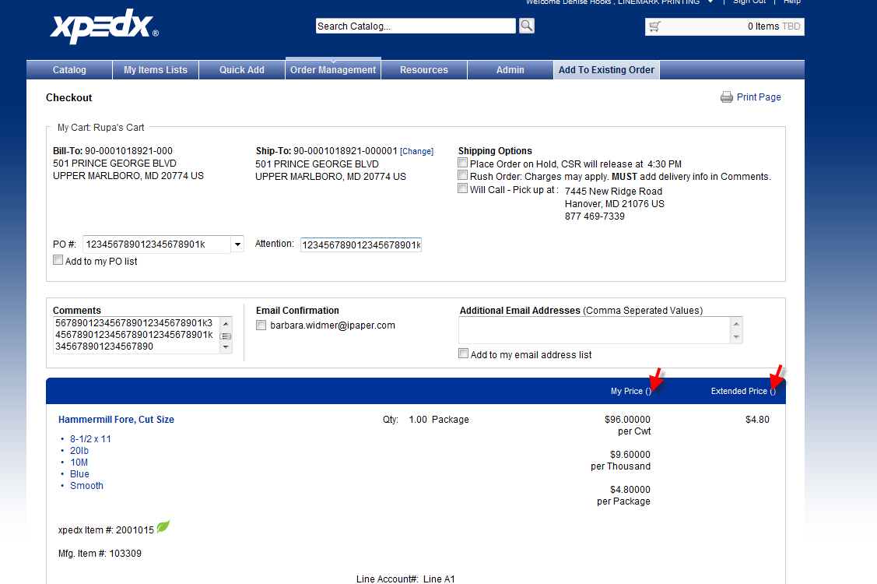

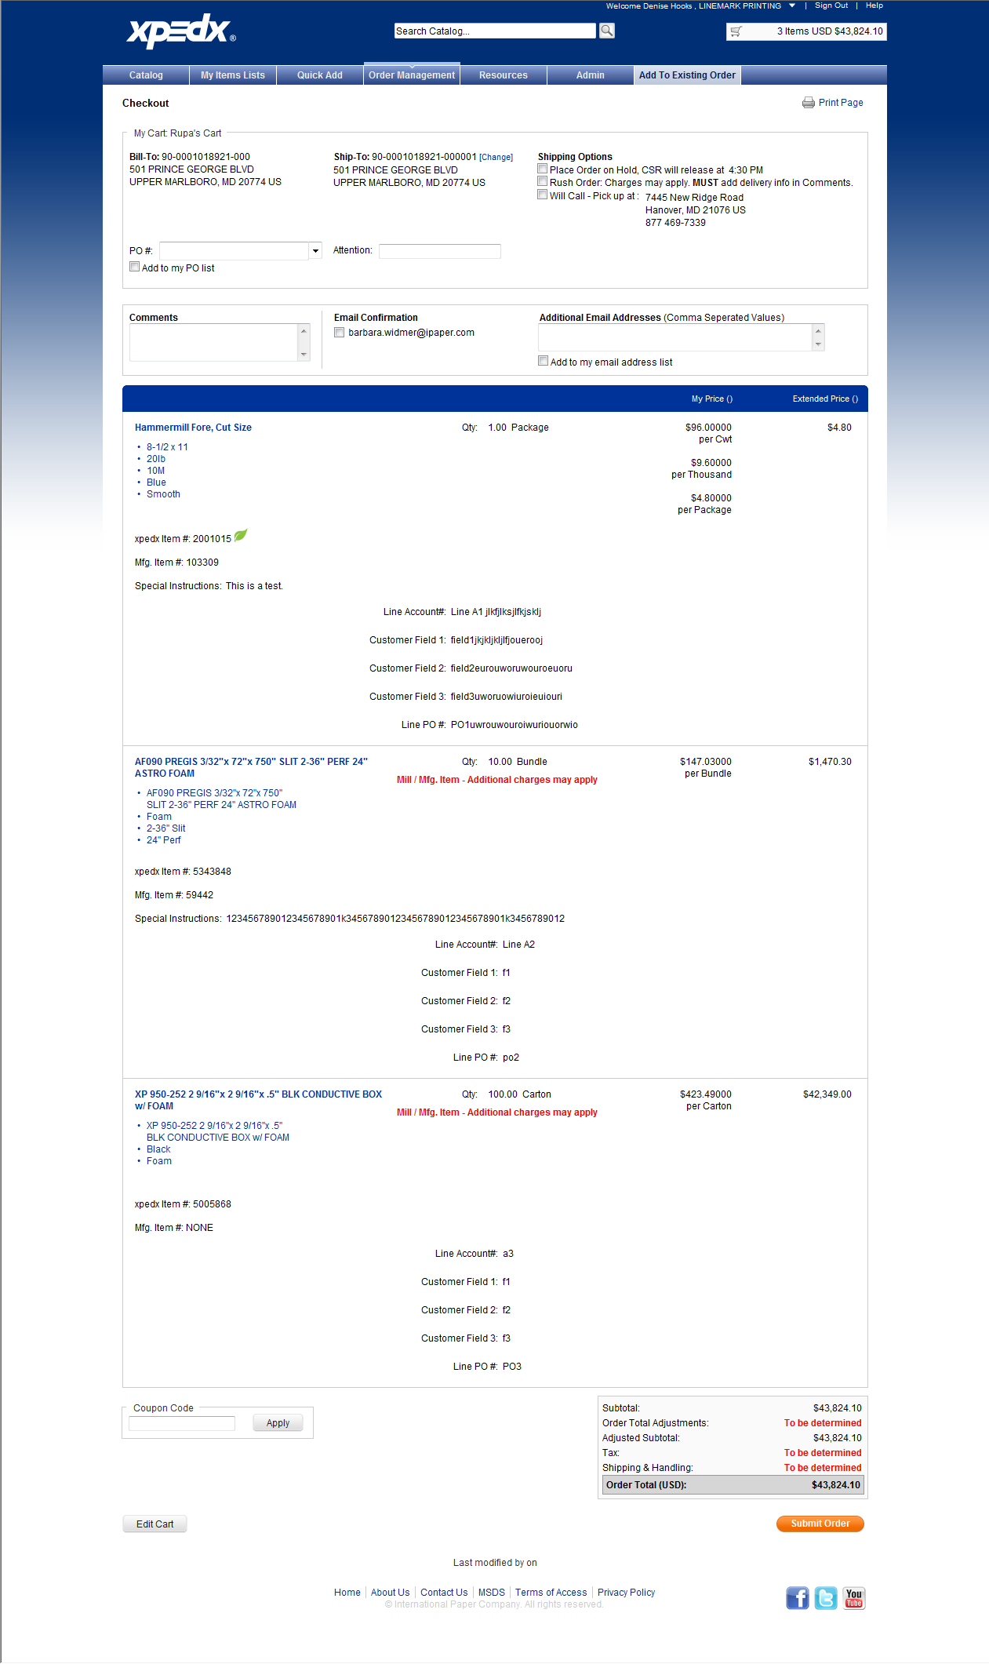

 | Edit Order #1' - pricing promotion at line level did not work , no message displayed could be due to the different UOM I selected.
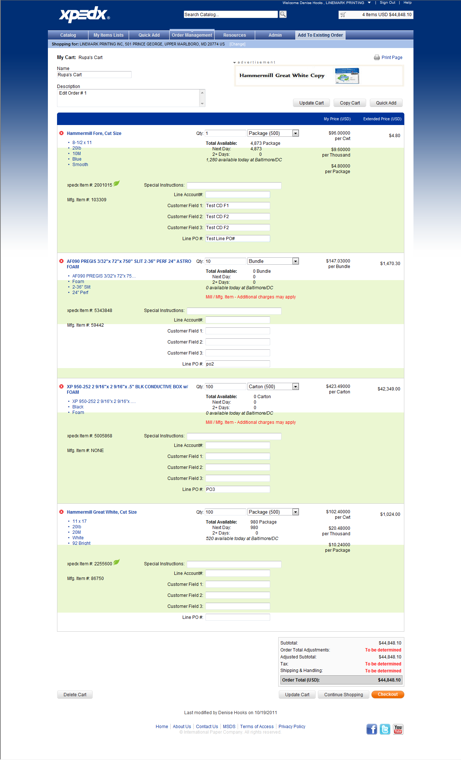

 | Edit Order # 1 - Checkout
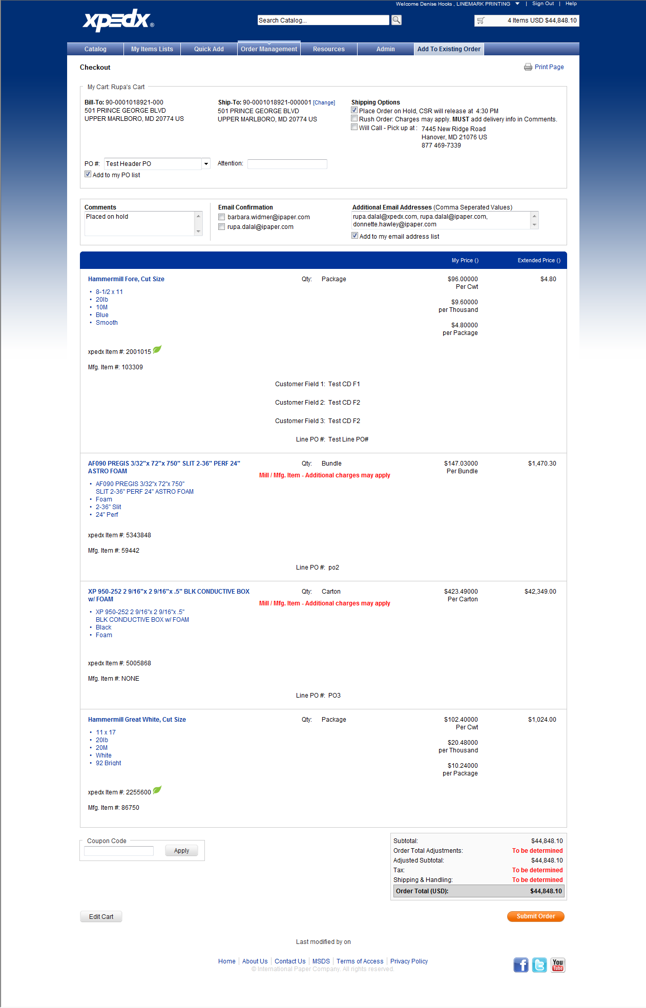

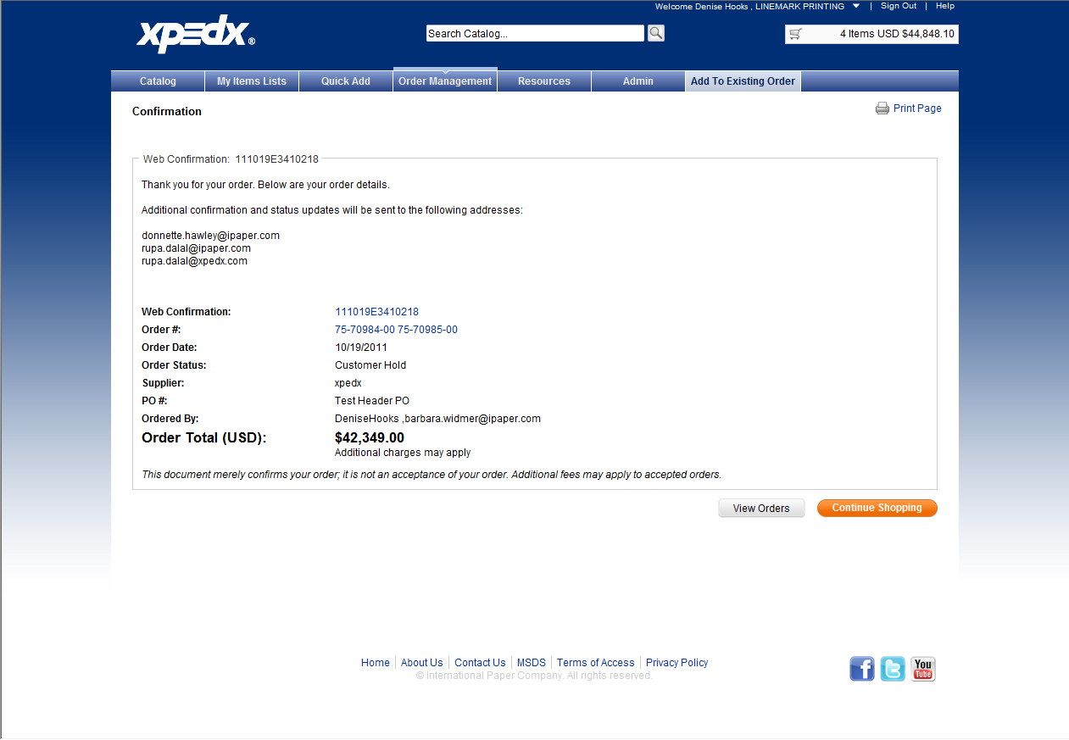

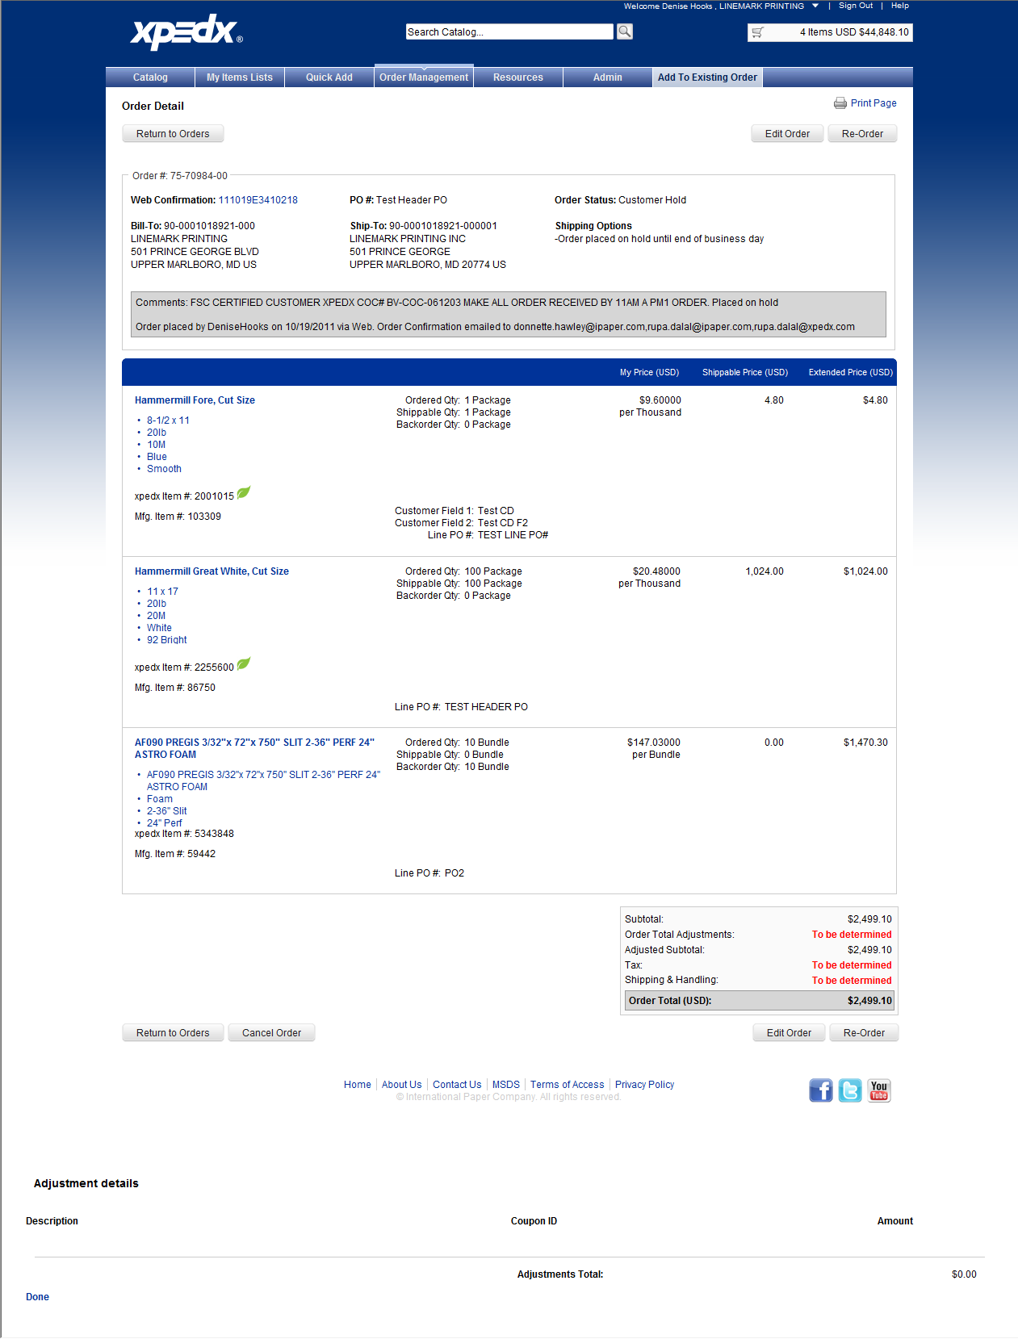

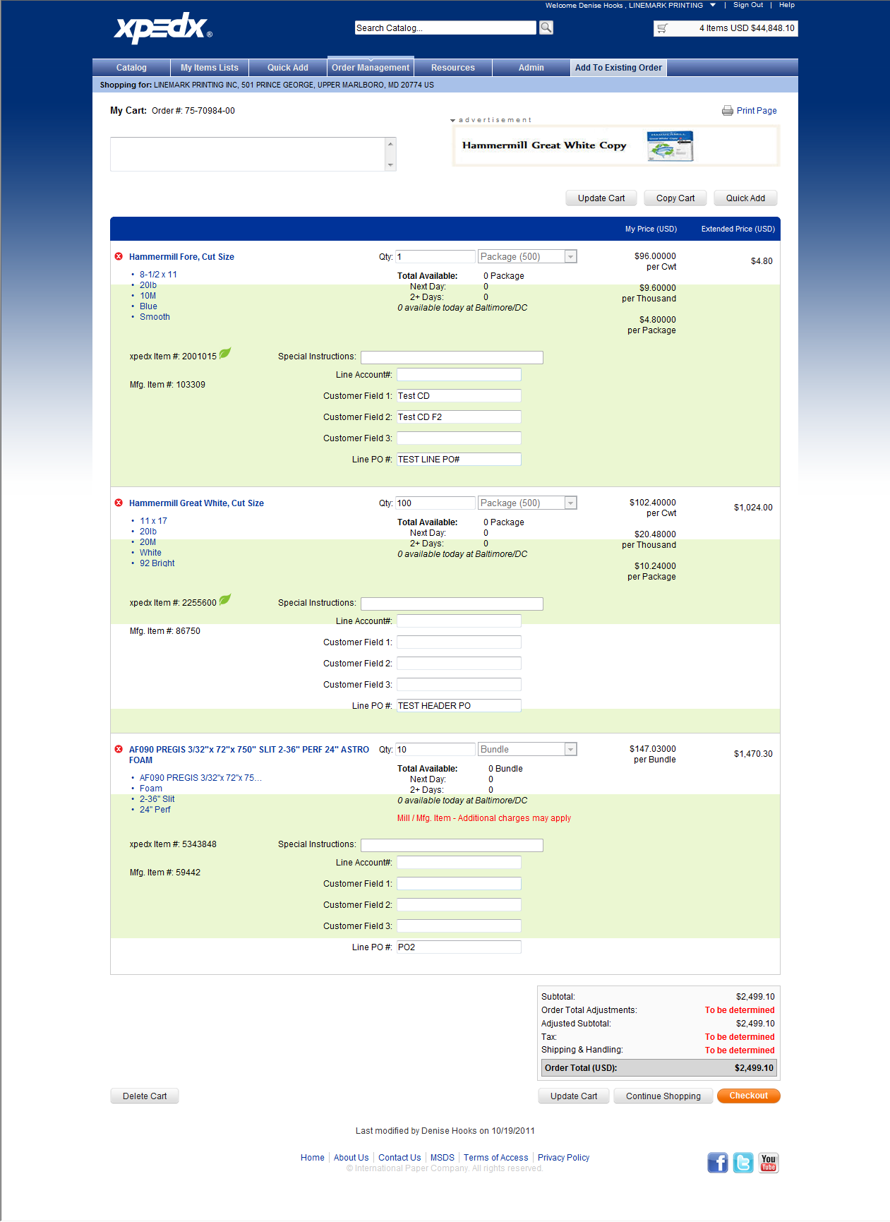

 | 5031002 | sell text example

TC8_Order Confirmation Page
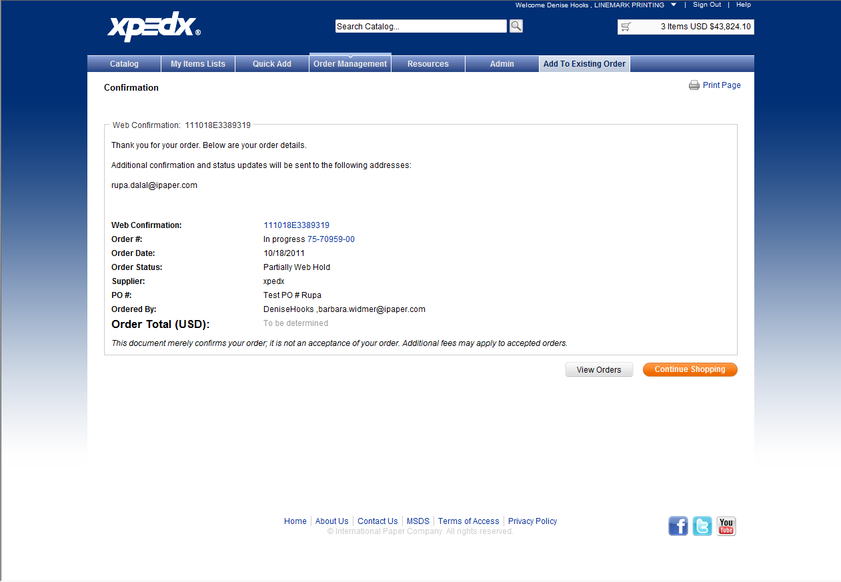
...
Test Case # | 8.70 | Test Case Name: | Validate Order Confirmation Email - Success - Order Approval is Required - Edit Order

 |  | Notes:
 |  |  |  | xpedx.com |  |  |  | Saalfeld |  |  |  | Bulkley Dunton
Step # | User Input |  | Expected Results | Actual Results / Comments | Pass/Fail | Date Executed | JIRA # | Actual Results / Comments | Pass/Fail | Date Executed | JIRA # | Actual Results / Comments | Pass/Fail | Date Executed
1 | Confirm an order confirmation message was sent to the email addresses shown on the Checkout Screen. |  | Confirmations received by all target addresses. |  | Not Started |  |  |  | Not Started |  |  |  | Not Started
2 | Review and verify the content of the Order Confirmation email. |  | - Confirmation email matches requirements. - Validate against a copy of the email format provided by the business (Colin). - Confirmation email order information agrees with the Confirmation page in WC. |  | Not Started |  |  |  | Not Started |  |  |  | Not Started

